By Country - Chart
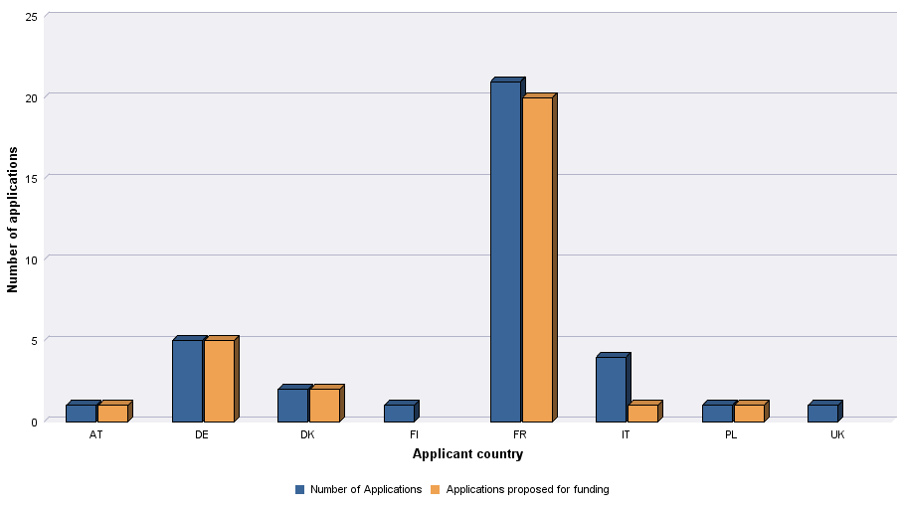
Sales Agents Automatic Support | 2020

Level of demand- Chart
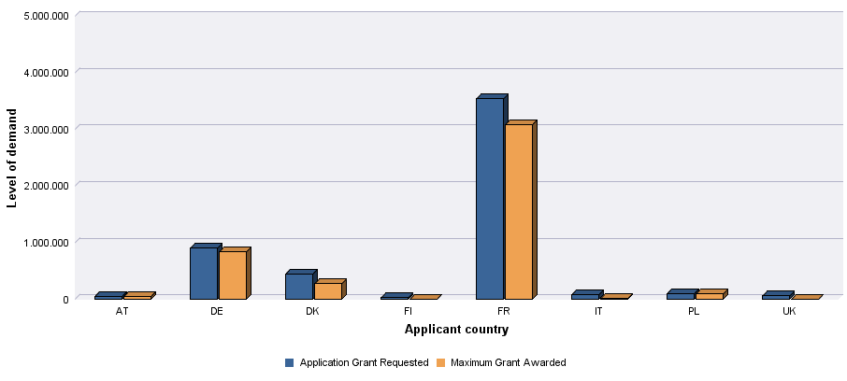
 | Creative Europe Media - Level of demand by country

 |  | 2020
 | Sales Agents Automatic Support 2020

