By Country - Chart
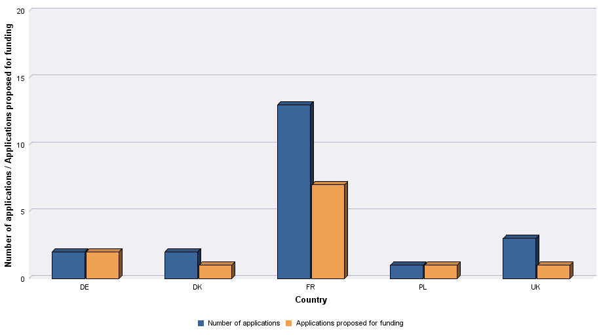
 | Distribution Selective support | 2020

Level of demand - Chart
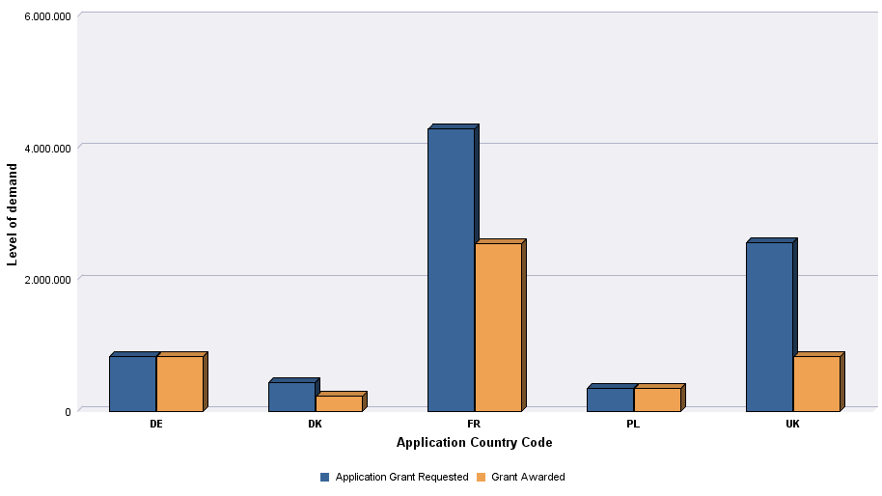
 | Distribution Selective support | 2020

