By Country - Chart
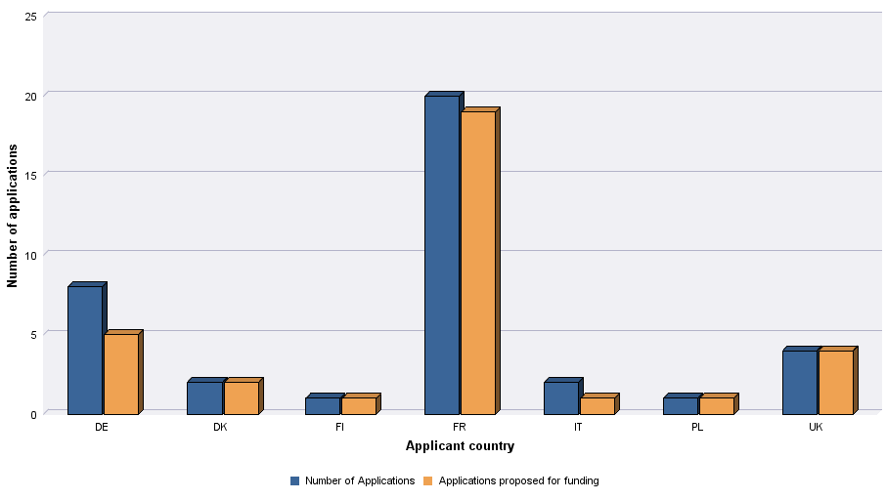
DISTRIBUTION SALES AGENT SCHEME | 2019

Level of demand - Chart
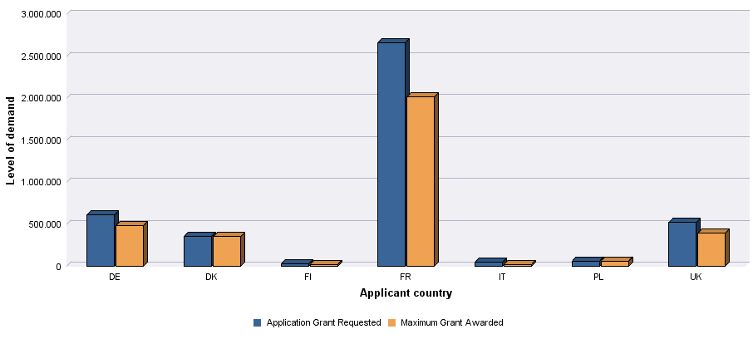
 |  | 2019
 | DISTRIBUTION SALES AGENT SCHEME

